C6.1
Back to contents
 | Chart 6.1: Public sector net borrowing and the current budget deficit

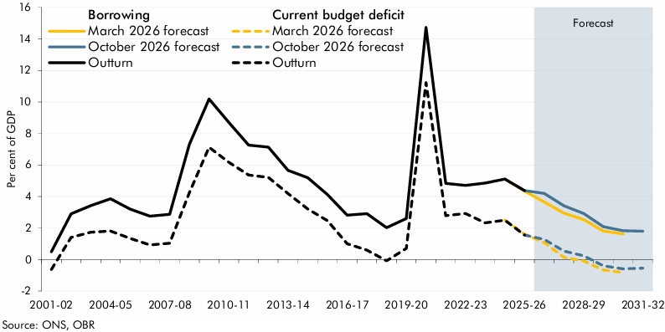

 | Public sector net borrowing | 2001-02 | 2002-03 | 2003-04 | 2004-05 | 2005-06 | 2006-07 | 2007-08 | 2008-09 | 2009-10 | 2010-11 | 2011-12 | 2012-13 | 2013-14 | 2014-15 | 2015-16 | 2016-17 | 2017-18 | 2018-19 | 2019-20 | 2020-21 | 2021-22 | 2022-23 | 2023-24 | 2024-25 | 2025-26 | 2026-27 | 2027-28 | 2028-29 | 2029-30 | 2030-31 | 2031-32
 | March 2026 forecast |  |  |  |  |  |  |  |  |  |  |  |  |  |  |  |  |  |  |  |  |  |  |  |  | 4.3 | 3.6 | 2.9 | 2.5 | 1.8 | 1.6
 | October 2026 forecast |  |  |  |  |  |  |  |  |  |  |  |  |  |  |  |  |  |  |  |  |  |  |  |  |  | 4.2 | 3.4 | 2.9 | 2.1 | 1.8 | 1.8
 | Outturn | 0.5 | 2.9 | 3.4 | 3.8 | 3.2 | 2.8 | 2.9 | 7.3 | 10.2 | 8.7 | 7.3 | 7.1 | 5.7 | 5.2 | 4.1 | 2.8 | 2.9 | 2.0 | 2.6 | 14.7 | 4.8 | 4.7 | 4.8 | 5.1 | 4.4

 | Current budget deficit | 2001-02 | 2002-03 | 2003-04 | 2004-05 | 2005-06 | 2006-07 | 2007-08 | 2008-09 | 2009-10 | 2010-11 | 2011-12 | 2012-13 | 2013-14 | 2014-15 | 2015-16 | 2016-17 | 2017-18 | 2018-19 | 2019-20 | 2020-21 | 2021-22 | 2022-23 | 2023-24 | 2024-25 | 2025-26 | 2026-27 | 2027-28 | 2028-29 | 2029-30 | 2030-31 | 2031-32
 | March 2026 forecast |  |  |  |  |  |  |  |  |  |  |  |  |  |  |  |  |  |  |  |  |  |  |  |  | 1.6 | 1.1 | 0.1 | -0.1 | -0.7 | -0.8
 | October 2026 forecast |  |  |  |  |  |  |  |  |  |  |  |  |  |  |  |  |  |  |  |  |  |  |  |  |  | 1.3 | 0.5 | 0.2 | -0.4 | -0.6 | -0.5
 | Outturn | -0.6 | 1.4 | 1.7 | 1.8 | 1.3 | 0.9 | 1.0 | 4.2 | 7.1 | 6.2 | 5.4 | 5.2 | 4.2 | 3.2 | 2.5 | 1.0 | 0.6 | -0.1 | 0.7 | 11.2 | 2.8 | 2.9 | 2.3 | 2.5 | 1.5

C6.2
Back to contents
 | Chart 6.2: The fall in borrowing as a share of GDP from 2026-27 to 2031-32

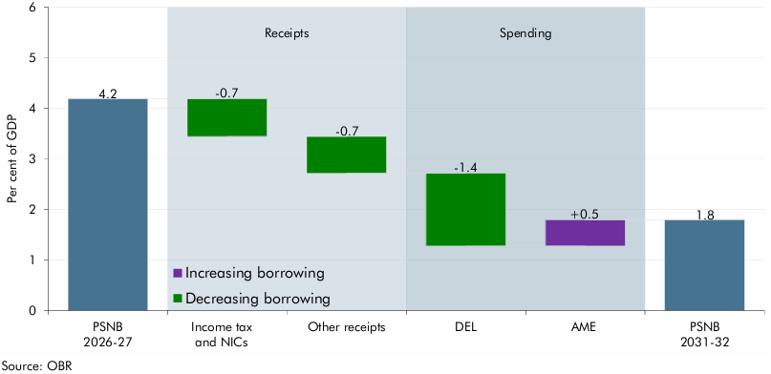

 |  | Level | Change
 | PSNB 2026-27 | 4.2
 | Income tax and NICs |  | -0.7
 | Other receipts |  | -0.7
 | DEL |  | -1.4
 | AME |  | 0.5
 | PSNB 2031-32 | 1.8

C6.3
Back to contents
 | Chart 6.3: Changes in borrowing and the current budget deficit since March

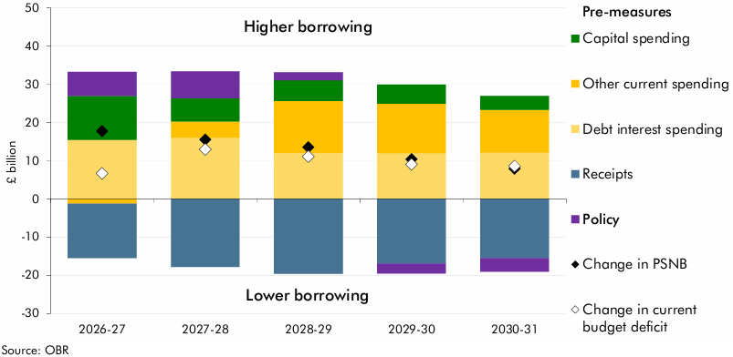

 |  | 2026-27 | 2027-28 | 2028-29 | 2029-30 | 2030-31
 | Capital spending | 11.5 | 6.1 | 5.5 | 5.1 | 3.6
 | Debt interest spending | 15.4 | 16.0 | 12.0 | 12.0 | 12.1
 | Other current spending | -1.3 | 4.2 | 13.6 | 12.9 | 11.2
 | Receipts | -14.2 | -17.8 | -19.6 | -16.9 | -15.5
 | Policy | 6.3 | 7.0 | 2.1 | -2.6 | -3.5
 | Change in PSNB | 17.7 | 15.5 | 13.5 | 10.4 | 7.9
 | Change in current budget deficit | 6.6 | 13.0 | 11.1 | 9.0 | 8.6

C6.4
Back to contents
 | Chart 6.4: Fan chart for PSNB

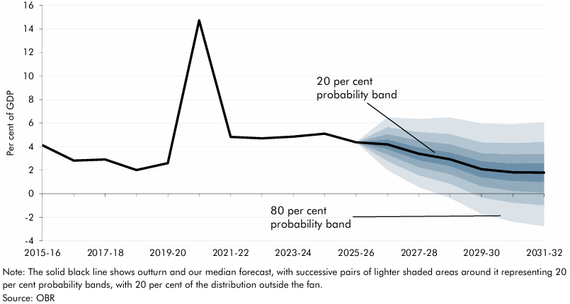

 |  | October 2026 PSNB forecast | Percentile
 |  |  | 10 | 20 | 30 | 40 | 50 | 60 | 70 | 80 | 90
 | 2015-16 | 4.1
 | 2016-17 | 2.8
 | 2017-18 | 2.9
 | 2018-19 | 2.0
 | 2019-20 | 2.6
 | 2020-21 | 14.7
 | 2021-22 | 4.8
 | 2022-23 | 4.7
 | 2023-24 | 4.8
 | 2024-25 | 5.1
 | 2025-26 | 4.4
 | 2026-27 | 4.2 | 2.0 | 2.8 | 3.3 | 3.8 | 4.2 | 4.6 | 5.1 | 5.7 | 6.5
 | 2027-28 | 3.4 | 0.6 | 1.6 | 2.2 | 2.8 | 3.4 | 3.9 | 4.5 | 5.3 | 6.4
 | 2028-29 | 2.9 | -0.4 | 0.8 | 1.7 | 2.3 | 2.9 | 3.5 | 4.2 | 5.1 | 6.5
 | 2029-30 | 2.1 | -1.7 | -0.3 | 0.6 | 1.4 | 2.1 | 2.8 | 3.5 | 4.4 | 6.0
 | 2030-31 | 1.8 | -2.4 | -0.8 | 0.2 | 1.1 | 1.8 | 2.6 | 3.4 | 4.3 | 5.9
 | 2031-32 | 1.8 | -2.8 | -1.0 | 0.1 | 1.0 | 1.8 | 2.6 | 3.4 | 4.4 | 6.1

C6.5
Back to contents
 | Chart 6.5: Cumulative flows of the APF: outturn and projections to 2033

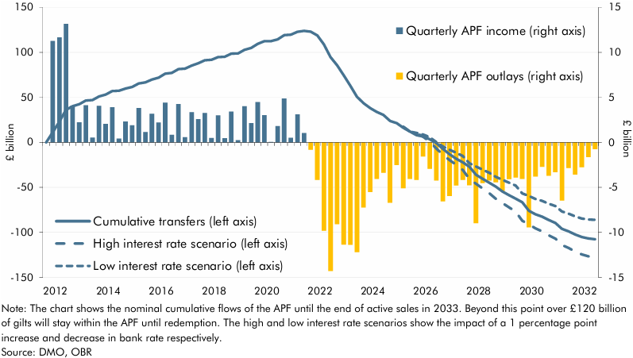

 |  | Quarterly APF income (right axis) | Quarterly APF outlays (right axis) | High interest rate scenario (left axis) | Low interest rate scenario (left axis) | Cumulative transfers (left axis)
 | 2012 Q4 | 0.0 |  |  |  | 0.0
 | 2013 Q1 | 11.3 |  |  |  | 11.3
 | 2013 Q2 | 11.7 |  |  |  | 22.9
 | 2013 Q3 | 13.2 |  |  |  | 36.1
 | 2013 Q4 | 4.1 |  |  |  | 40.2
 | 2014 Q1 | 2.2 |  |  |  | 42.4
 | 2014 Q2 | 4.1 |  |  |  | 46.5
 | 2014 Q3 | 0.5 |  |  |  | 47.0
 | 2014 Q4 | 4.1 |  |  |  | 51.1
 | 2015 Q1 | 2.1 |  |  |  | 53.1
 | 2015 Q2 | 3.9 |  |  |  | 57.0
 | 2015 Q3 | 0.4 |  |  |  | 57.4
 | 2015 Q4 | 2.3 |  |  |  | 59.7
 | 2016 Q1 | 1.9 |  |  |  | 61.6
 | 2016 Q2 | 3.8 |  |  |  | 65.4
 | 2016 Q3 | 1.1 |  |  |  | 66.6
 | 2016 Q4 | 3.2 |  |  |  | 69.8
 | 2017 Q1 | 2.2 |  |  |  | 72.0
 | 2017 Q2 | 4.4 |  |  |  | 76.4
 | 2017 Q3 | 0.8 |  |  |  | 77.2
 | 2017 Q4 | 4.2 |  |  |  | 81.4
 | 2018 Q1 | 0.6 |  |  |  | 82.0
 | 2018 Q2 | 3.4 |  |  |  | 85.3
 | 2018 Q3 | 2.6 |  |  |  | 87.9
 | 2018 Q4 | 3.3 |  |  |  | 91.2
 | 2019 Q1 | 0.5 |  |  |  | 91.7
 | 2019 Q2 | 3.0 |  |  |  | 94.7
 | 2019 Q3 | 0.5 |  |  |  | 95.1
 | 2019 Q4 | 3.4 |  |  |  | 98.6
 | 2020 Q1 | 0.3 |  |  |  | 98.8
 | 2020 Q2 | 4.0 |  |  |  | 102.8
 | 2020 Q3 | 2.1 |  |  |  | 105.0
 | 2020 Q4 | 4.5 |  |  |  | 109.4
 | 2021 Q1 | 3.0 |  |  |  | 112.5
 | 2021 Q2 | 0.0 |  |  |  | 112.5
 | 2021 Q3 | 1.8 |  |  |  | 114.3
 | 2021 Q4 | 4.9 |  |  |  | 119.2
 | 2022 Q1 | 0.5 |  |  |  | 119.7
 | 2022 Q2 | 3.1 |  |  |  | 122.8
 | 2022 Q3 | 1.0 |  |  |  | 123.9
 | 2022 Q4 |  | -0.8 |  |  | 123.0
 | 2023 Q1 |  | -4.2 |  |  | 118.8
 | 2023 Q2 |  | -9.8 |  |  | 109.0
 | 2023 Q3 |  | -14.3 |  |  | 94.7
 | 2023 Q4 |  | -9.1 |  |  | 85.6
 | 2024 Q1 |  | -11.4 |  |  | 74.3
 | 2024 Q2 |  | -11.4 |  |  | 62.9
 | 2024 Q3 |  | -12.2 |  |  | 50.7
 | 2024 Q4 |  | -7.2 |  |  | 43.5
 | 2025 Q1 |  | -5.5 |  |  | 38.0
 | 2025 Q2 |  | -4.1 |  |  | 33.9
 | 2025 Q3 |  | -3.4 |  |  | 30.5
 | 2025 Q4 |  | -6.7 |  |  | 23.8
 | 2026 Q1 |  | -2.5 |  |  | 21.3
 | 2026 Q2 |  | -5.1 |  |  | 16.2
 | 2026 Q3 |  | -4.1 | 12.1 | 12.1 | 12.1
 | 2026 Q4 |  | -4.2 | 10.5 | 10.5 | 8.0
 | 2027 Q1 |  | -1.6 | 6.3 | 8.7 | 6.4
 | 2027 Q2 |  | -2.9 | 0.9 | 5.7 | 3.5
 | 2027 Q3 |  | -4.2 | -6.8 | 0.3 | -0.8
 | 2027 Q4 |  | -6.5 | -13.8 | -4.5 | -7.3
 | 2028 Q1 |  | -6.0 | -19.7 | -8.3 | -13.3
 | 2028 Q2 |  | -4.8 | -24.9 | -11.4 | -18.1
 | 2028 Q3 |  | -4.2 | -30.6 | -15.2 | -22.2
 | 2028 Q4 |  | -4.8 | -40.6 | -23.2 | -27.0
 | 2029 Q1 |  | -9.0 | -46.0 | -26.9 | -36.0
 | 2029 Q2 |  | -4.5 | -51.1 | -30.2 | -40.5
 | 2029 Q3 |  | -4.2 | -56.4 | -33.8 | -44.7
 | 2029 Q4 |  | -4.4 | -62.7 | -38.3 | -49.2
 | 2030 Q1 |  | -5.4 | -67.5 | -41.6 | -54.6
 | 2030 Q2 |  | -4.1 | -72.2 | -44.8 | -58.7
 | 2030 Q3 |  | -3.9 | -77.0 | -48.0 | -62.6
 | 2030 Q4 |  | -4.1 | -87.2 | -56.8 | -66.6
 | 2031 Q1 |  | -9.5 | -91.2 | -59.6 | -76.1
 | 2031 Q2 |  | -3.8 | -95.6 | -62.8 | -79.9
 | 2031 Q3 |  | -2.7 | -98.9 | -64.9 | -82.6
 | 2031 Q4 |  | -3.7 | -103.2 | -68.1 | -86.3
 | 2032 Q1 |  | -3.3 | -107.1 | -70.8 | -89.6
 | 2032 Q2 |  | -6.4 | -114.0 | -76.8 | -96.1
 | 2032 Q3 |  | -2.9 | -117.3 | -79.2 | -98.9
 | 2032 Q4 |  | -3.6 | -121.4 | -82.3 | -102.5
 | 2033 Q1 |  | -2.8 | -124.6 | -84.6 | -105.2
 | 2033 Q2 |  | -1.6 | -126.6 | -85.8 | -106.9
 | 2033 Q3 |  | -0.8 | -127.8 | -86.1 | -107.6

C6.6
Back to contents
 | Chart 6.6: UK gilt issuance

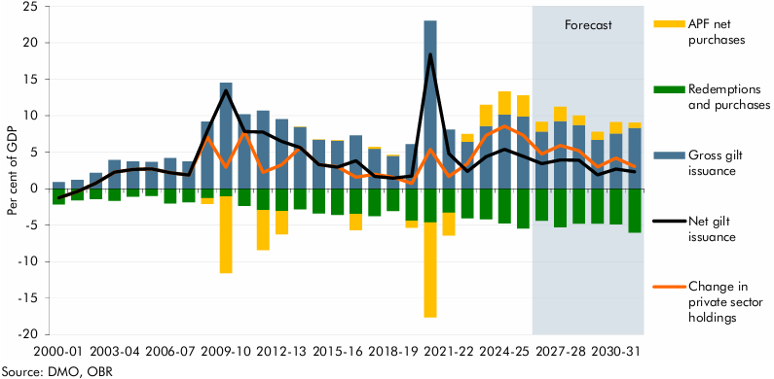

 |  | 2000-01 | 2001-02 | 2002-03 | 2003-04 | 2004-05 | 2005-06 | 2006-07 | 2007-08 | 2008-09 | 2009-10 | 2010-11 | 2011-12 | 2012-13 | 2013-14 | 2014-15 | 2015-16 | 2016-17 | 2017-18 | 2018-19 | 2019-20 | 2020-21 | 2021-22 | 2022-23 | 2023-24 | 2024-25 | 2025-26 | 2026-27 | 2027-28 | 2028-29 | 2029-30 | 2030-31 | 2031-32
 | Gross gilt issuance | 0.9 | 1.2 | 2.2 | 3.9 | 3.7 | 3.7 | 4.2 | 3.7 | 9.2 | 14.5 | 10.2 | 10.7 | 9.5 | 8.5 | 6.7 | 6.6 | 7.3 | 5.5 | 4.5 | 6.1 | 23.0 | 8.1 | 6.4 | 8.6 | 10.1 | 9.9 | 7.8 | 9.2 | 8.7 | 6.7 | 7.6 | 8.3
 | Redemptions and purchases | -2.2 | -1.6 | -1.4 | -1.7 | -1.1 | -1.0 | -2.0 | -1.9 | -1.3 | -1.1 | -2.4 | -2.9 | -3.1 | -2.8 | -3.4 | -3.6 | -3.4 | -3.8 | -3.1 | -4.4 | -4.6 | -3.3 | -4.1 | -4.2 | -4.8 | -5.5 | -4.4 | -5.3 | -4.8 | -4.8 | -4.9 | -6.0
 | APF net purchases | 0.0 | 0.0 | 0.0 | 0.0 | 0.0 | 0.0 | 0.0 | 0.0 | -0.8 | -10.5 | 0.0 | -5.5 | -3.2 | 0.0 | 0.0 | 0.0 | -2.3 | 0.3 | 0.1 | -1.0 | -13.0 | -3.1 | 1.1 | 2.9 | 3.2 | 2.9 | 1.3 | 2.0 | 1.3 | 1.1 | 1.5 | 0.7
 | Net gilt issuance | -1.3 | -0.4 | 0.7 | 2.2 | 2.6 | 2.7 | 2.2 | 1.9 | 7.9 | 13.5 | 7.8 | 7.8 | 6.5 | 5.6 | 3.3 | 3.0 | 3.8 | 1.7 | 1.4 | 1.7 | 18.4 | 4.8 | 2.4 | 4.4 | 5.4 | 4.4 | 3.4 | 3.9 | 3.9 | 1.9 | 2.7 | 2.3
 | Change in private sector holdings | -1.3 | -0.4 | 0.7 | 2.2 | 2.6 | 2.7 | 2.2 | 1.9 | 7.1 | 2.9 | 7.8 | 2.2 | 3.3 | 5.7 | 3.3 | 3.0 | 1.6 | 2.0 | 1.6 | 0.7 | 5.4 | 1.7 | 3.4 | 7.3 | 8.6 | 7.3 | 4.7 | 5.9 | 5.2 | 3.0 | 4.2 | 3.0

C6.7
Back to contents
 | Chart 6.7: Public sector net debt and public sector net debt ex Bank of England

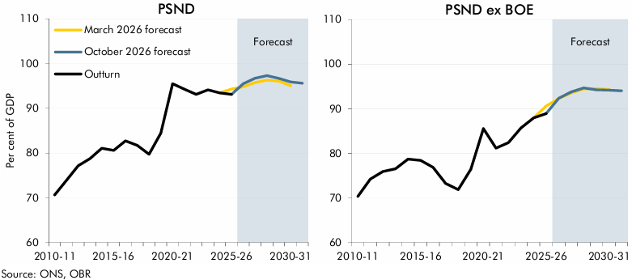

 | PSND | 2010-11 | 2011-12 | 2012-13 | 2013-14 | 2014-15 | 2015-16 | 2016-17 | 2017-18 | 2018-19 | 2019-20 | 2020-21 | 2021-22 | 2022-23 | 2023-24 | 2024-25 | 2025-26 | 2026-27 | 2027-28 | 2028-29 | 2029-30 | 2030-31 | 2031-32
 | March 2026 forecast |  |  |  |  |  |  |  |  |  |  |  |  |  |  |  | 94.3 | 94.8 | 95.7 | 96.3 | 96.1 | 95.1
 | October 2026 forecast |  |  |  |  |  |  |  |  |  |  |  |  |  |  |  |  | 95.5 | 96.7 | 97.3 | 96.7 | 95.9 | 95.6
 | Outturn | 70.6 | 73.9 | 77.2 | 78.8 | 81.1 | 80.6 | 82.7 | 81.7 | 79.7 | 84.5 | 95.5 | 94.3 | 93.1 | 94.1 | 93.4 | 93.1

 | PSND ex BoE | 2010-11 | 2011-12 | 2012-13 | 2013-14 | 2014-15 | 2015-16 | 2016-17 | 2017-18 | 2018-19 | 2019-20 | 2020-21 | 2021-22 | 2022-23 | 2023-24 | 2024-25 | 2025-26 | 2026-27 | 2027-28 | 2028-29 | 2029-30 | 2030-31 | 2031-32
 | March 2026 forecast |  |  |  |  |  |  |  |  |  |  |  |  |  |  |  | 90.6 | 92.3 | 93.5 | 94.5 | 94.5 | 94.3
 | October 2026 forecast |  |  |  |  |  |  |  |  |  |  |  |  |  |  |  |  | 92.4 | 93.8 | 94.7 | 94.3 | 94.2 | 94.0
 | Outturn | 70.3 | 74.2 | 75.9 | 76.5 | 78.7 | 78.4 | 76.8 | 73.2 | 71.9 | 76.4 | 85.5 | 81.2 | 82.4 | 85.7 | 87.9 | 88.9

C6.A
Back to contents
 | Chart 6.A: Decomposition of the differences between PSND and PSND ex BoE

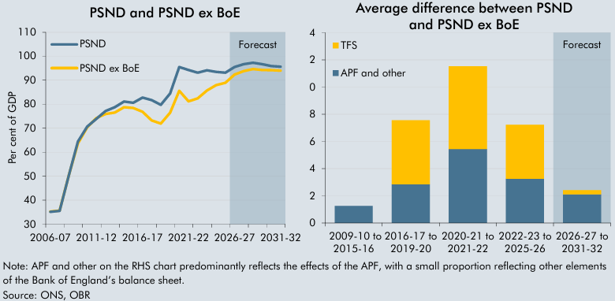

 |  | PSND | PSND ex BoE |  | APF and other | TFS
 | 2006-07 | 35.1 | 35.3 | 2009-10 to 2015-16 | 1.3
 | 2007-08 | 35.5 | 35.6 | 2016-17 to 2019-20 | 2.8 | 4.7
 | 2008-09 | 50.2 | 50.3 | 2020-21 to 2021-22 | 5.4 | 6.1
 | 2009-10 | 64.4 | 63.6 | 2022-23 to 2025-26 | 3.3 | 4.0
 | 2010-11 | 70.6 | 70.3 | 2026-27 to 2031-32 | 2.1 | 0.3
 | 2011-12 | 73.9 | 74.2
 | 2012-13 | 77.2 | 75.9
 | 2013-14 | 78.8 | 76.5
 | 2014-15 | 81.1 | 78.7
 | 2015-16 | 80.6 | 78.4
 | 2016-17 | 82.7 | 76.8
 | 2017-18 | 81.7 | 73.2
 | 2018-19 | 79.7 | 71.9
 | 2019-20 | 84.5 | 76.4
 | 2020-21 | 95.5 | 85.5
 | 2021-22 | 94.3 | 81.2
 | 2022-23 | 93.1 | 82.4
 | 2023-24 | 94.1 | 85.7
 | 2024-25 | 93.4 | 87.9
 | 2025-26 | 93.1 | 88.9
 | 2026-27 | 95.5 | 92.4
 | 2027-28 | 96.7 | 93.8
 | 2028-29 | 97.3 | 94.7
 | 2029-30 | 96.7 | 94.3
 | 2030-31 | 95.9 | 94.2
 | 2031-32 | 95.6 | 94.0

C6.8
Back to contents
 | Chart 6.8: Public sector net financial liabilities

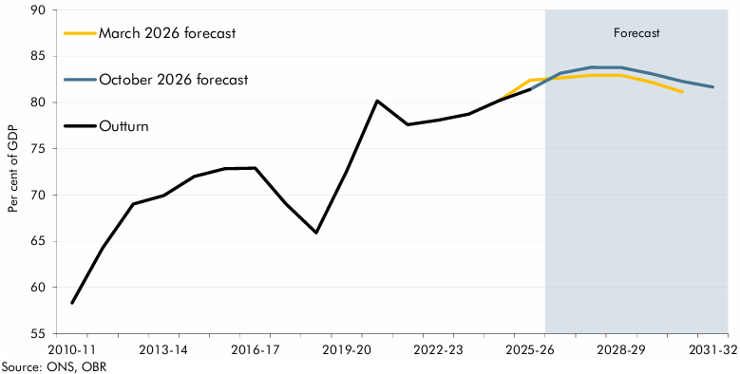

 |  | 2010-11 | 2011-12 | 2012-13 | 2013-14 | 2014-15 | 2015-16 | 2016-17 | 2017-18 | 2018-19 | 2019-20 | 2020-21 | 2021-22 | 2022-23 | 2023-24 | 2024-25 | 2025-26 | 2026-27 | 2027-28 | 2028-29 | 2029-30 | 2030-31 | 2031-32
 | March 2026 forecast |  |  |  |  |  |  |  |  |  |  |  |  |  |  |  | 82.4 | 82.6 | 82.9 | 82.9 | 82.2 | 81.1
 | October 2026 forecast |  |  |  |  |  |  |  |  |  |  |  |  |  |  |  |  | 83.2 | 83.8 | 83.8 | 83.1 | 82.3 | 81.7
 | Outturn | 58.3 | 64.3 | 69.0 | 69.9 | 72.0 | 72.8 | 72.9 | 69.1 | 65.9 | 72.6 | 80.2 | 77.6 | 78.1 | 78.7 | 80.2 | 81.4

C6.9
Back to contents
 | Chart 6.9: Four measures of the public sector balance sheet

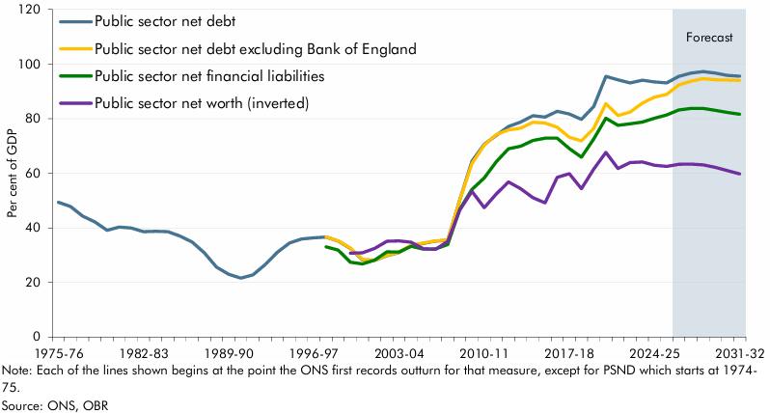

 |  | 1975-76 | 1976-77 | 1977-78 | 1978-79 | 1979-80 | 1980-81 | 1981-82 | 1982-83 | 1983-84 | 1984-85 | 1985-86 | 1986-87 | 1987-88 | 1988-89 | 1989-90 | 1990-91 | 1991-92 | 1992-93 | 1993-94 | 1994-95 | 1995-96 | 1996-97 | 1997-98 | 1998-99 | 1999-00 | 2000-01 | 2001-02 | 2002-03 | 2003-04 | 2004-05 | 2005-06 | 2006-07 | 2007-08 | 2008-09 | 2009-10 | 2010-11 | 2011-12 | 2012-13 | 2013-14 | 2014-15 | 2015-16 | 2016-17 | 2017-18 | 2018-19 | 2019-20 | 2020-21 | 2021-22 | 2022-23 | 2023-24 | 2024-25 | 2025-26 | 2026-27 | 2027-28 | 2028-29 | 2029-30 | 2030-31 | 2031-32
 | Public sector net debt | 49.3 | 47.8 | 44.3 | 42.2 | 39.1 | 40.3 | 40.0 | 38.6 | 38.8 | 38.6 | 37.0 | 34.8 | 30.9 | 25.6 | 23.0 | 21.6 | 22.8 | 26.6 | 31.0 | 34.4 | 35.9 | 36.4 | 36.6 | 35.1 | 32.5 | 28.3 | 28.1 | 29.8 | 30.9 | 33.5 | 34.3 | 35.1 | 35.5 | 50.2 | 64.4 | 70.6 | 73.9 | 77.2 | 78.8 | 81.1 | 80.6 | 82.7 | 81.7 | 79.7 | 84.5 | 95.5 | 94.3 | 93.1 | 94.1 | 93.4 | 93.1 | 95.5 | 96.7 | 97.3 | 96.7 | 95.9 | 95.6
 | Public sector net debt excluding Bank of England |  |  |  |  |  |  |  |  |  |  |  |  |  |  |  |  |  |  |  |  |  |  | 36.7 | 35.2 | 32.6 | 28.4 | 28.2 | 29.9 | 31.0 | 33.6 | 34.5 | 35.3 | 35.6 | 50.3 | 63.6 | 70.3 | 74.2 | 75.9 | 76.5 | 78.7 | 78.4 | 76.8 | 73.2 | 71.9 | 76.4 | 85.5 | 81.2 | 82.4 | 85.7 | 87.9 | 88.9 | 92.4 | 93.8 | 94.7 | 94.3 | 94.2 | 94.0
 | Public sector net financial liabilities |  |  |  |  |  |  |  |  |  |  |  |  |  |  |  |  |  |  |  |  |  |  | 33.0 | 31.9 | 27.4 | 26.8 | 28.2 | 31.2 | 31.1 | 33.2 | 32.2 | 32.3 | 33.9 | 46.8 | 54.0 | 58.3 | 64.3 | 69.0 | 69.9 | 72.0 | 72.8 | 72.9 | 69.1 | 65.9 | 72.6 | 80.2 | 77.6 | 78.1 | 78.7 | 80.2 | 81.4 | 83.2 | 83.8 | 83.8 | 83.1 | 82.3 | 81.7
 | Public sector net worth (inverted) |  |  |  |  |  |  |  |  |  |  |  |  |  |  |  |  |  |  |  |  |  |  |  |  | 30.7 | 30.9 | 32.5 | 35.1 | 35.2 | 34.7 | 32.3 | 32.1 | 35.0 | 46.5 | 53.4 | 47.4 | 52.5 | 56.8 | 54.4 | 51.1 | 49.1 | 58.5 | 59.9 | 54.4 | 61.6 | 67.7 | 61.8 | 63.9 | 64.2 | 62.9 | 62.5 | 63.3 | 63.4 | 63.1 | 62.2 | 61.0 | 59.8

